HYDRO-GUARD
Manual Flushing
versus
Flusing with Hydro-Guard®
Improved Water Quality
for less!
Hydro-Guard® Automatic and Programmable Flushing Systems
 |  |  |  | Cost
 |  | Manual Flushings per month per site (fire hydrant) | 3
 |  | Duration (minutes per flushing) | 45
 |  | Water outflow per month (gallons) | 202,500 | 1500 | gpm @ 75 psi
 |  | Total Cost of Flushed Water (monthly) per site | $121 | 0.0006 | per gallon |  | `
 |  | Total Cost of Flushed Water (annual) per site | $1,458
 |  | Estimated Cost Labor/Transportation (annual)per site | $2,700 | $50.00 | per hour @ 1.5 hours per site
 |  | COST OF FLUSHING PER SITE (annually) | $4,158

 |  | Flushing with Hydro-Guard® per month per site | 15
 |  | Duration (minutes per flushing) | 15
 |  | Water outflow per month (gallons) | 33,750 | 150 | gpm @ 75 psi | See MuellerCompany.com for client case studies on effectiveness of Automatic Flushing!
 |  | Total Cost for Flushing (monthly) | $20.25 | 0.0006 | per gallon
 |  | COST OF FLUSHING PER SITE (annually) | $243

 |  | Water savings (gallons) uuuuuuuuuuuu | 168,750 | << Monthly Savings
 |  | TOTAL ANNUAL SAVINGS PER SITE uu | $3,915
 |  | Cost of Hydro-Guard® Flushing System (average list price. Price will vary based on model purchased) | $3,000

 |  | NET GAIN FIRST YEAR (per site total savings less cost of unit) | $915 | t ESTIMATED COST SAVINGS

Estimated Cumulative Cost Savings
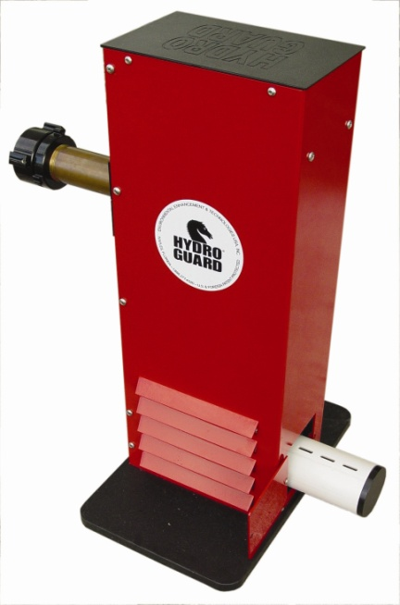
Cost Savings Year 1 | $915
Cost Savings Year 2 | $4,830
Cost Savings Year 3 | $8,745
Cost Savings Year 4 | $12,660
Cost Savings Year 5 | $16,575

